UI Changes_2
 |  |  | Required Changes in UI

 | PROJECT MODE |  |  |  |  | SIMPLE MODE |  |  | CHECKMODE
 | GUI CHANGES |  |  |  |  | GUI CHANGES
 |  | Change PM CUVE i.e single PM curve as per IS Code
 |  | Remove Factors |  |  |  |  |  |  |  | Nothing to Change

 |  | Seismic design Applay as per IS 13920: Default checked |  |  |  |  | Remove/Hide Addition Factiors Inputs
 |  |  |  |  |  |  | Seismic design Applay as per IS 13920
 |  | Include Crack width

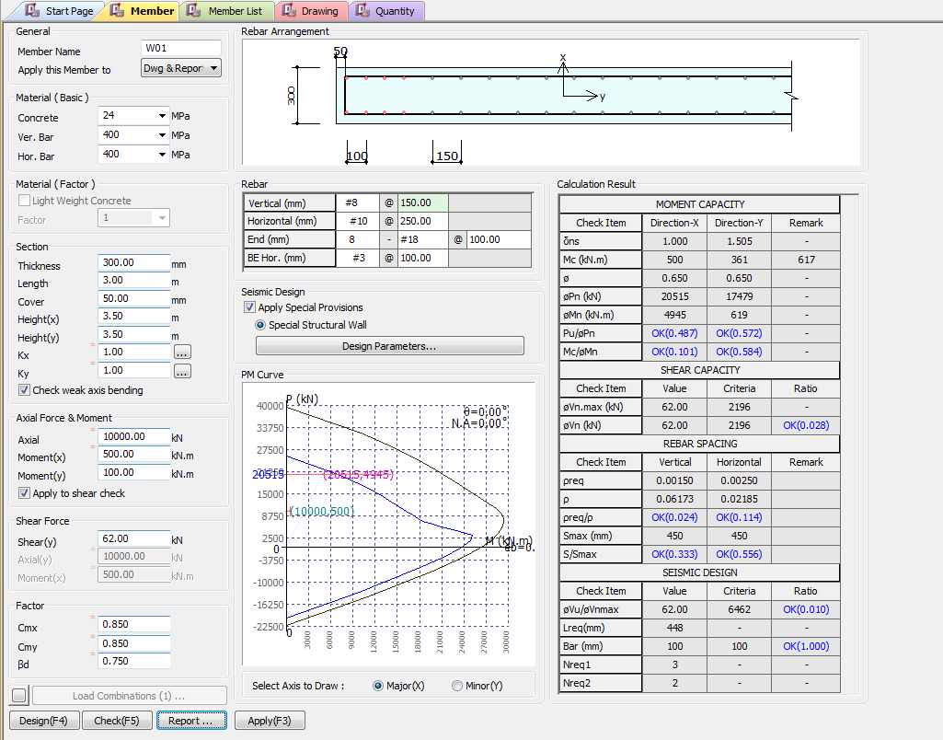
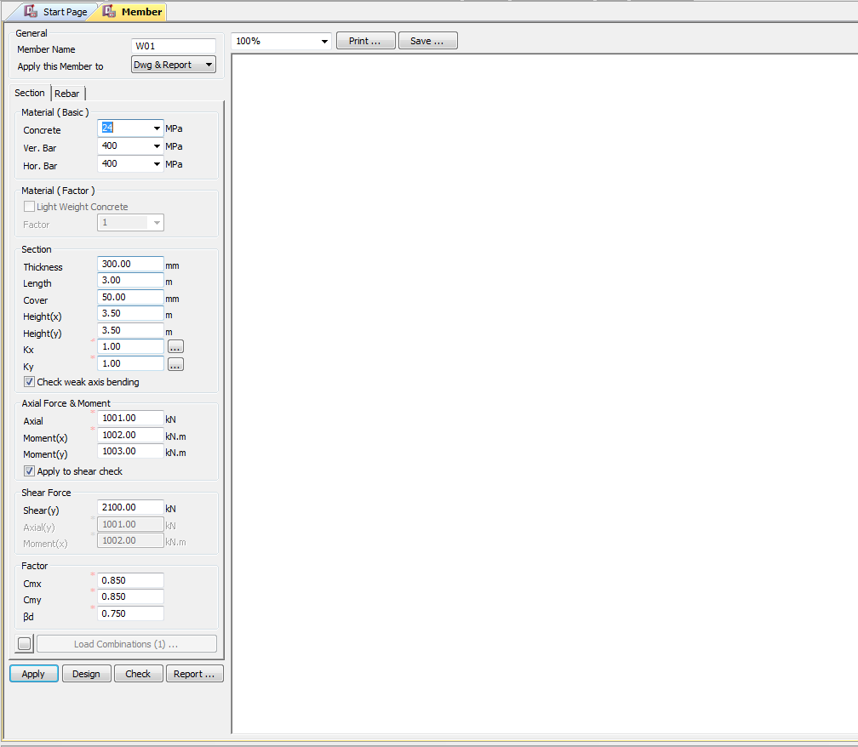

Pn(KN)
Apply IS 13920 Design
Mn(KN.m)
Pu/Pn
Mc/Mn

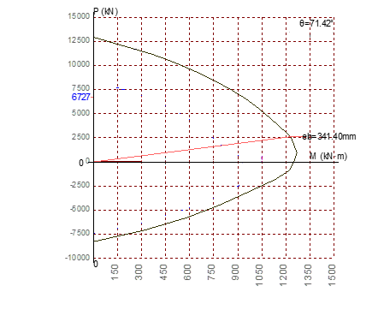
Vn (KN)
Vu/Vn

Remove |  |  |  |  |  |  | Remove

 |  |  |  | CHANGED PM CURVE AS PER IS 456

 |  |  |  |  |  |  |  | Load Combiniation changes
 | Load Combiniation changes
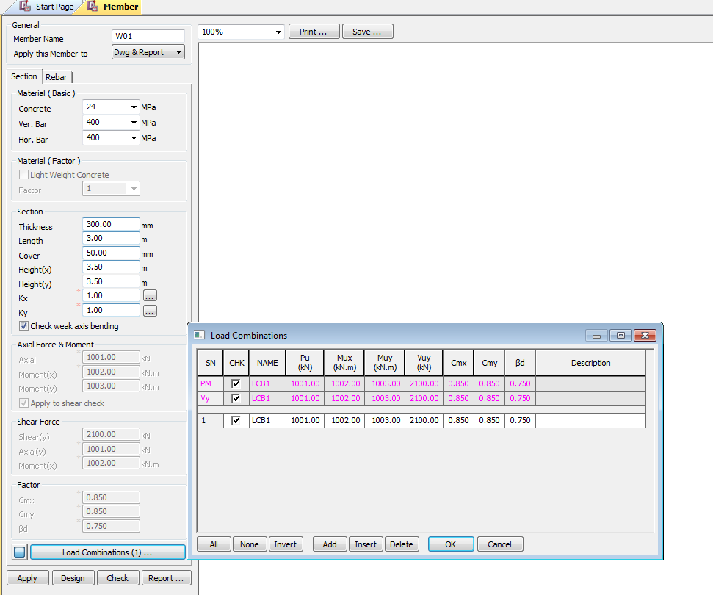
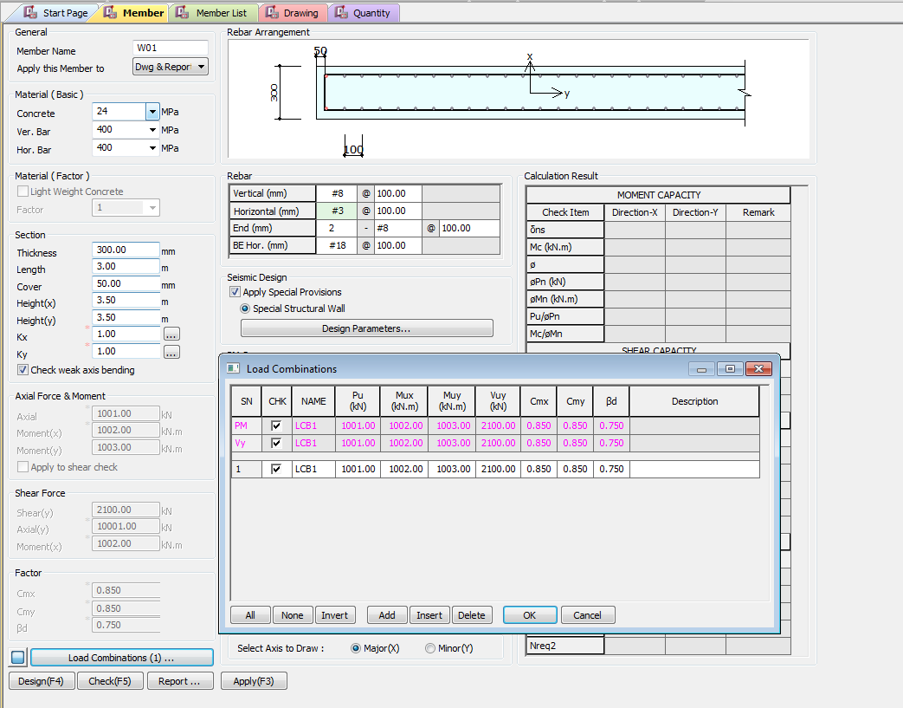

 |  |  |  |  | `

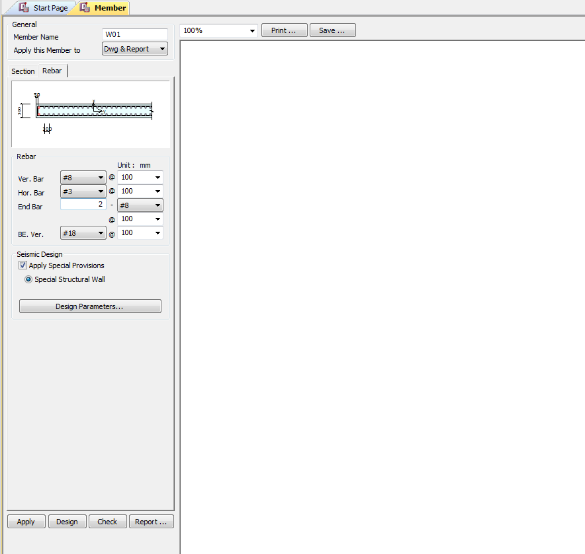

Apply IS 13920 Design

UI CHECK
UI Checking

Checks

Pn(KN)
Apply IS 13920 Design
Mn(KN.m)
Pu/Pn
Mc/Mn
 | Pinput/Pprovided
 | Minput/Mprovided

Vn (KN)
Vu/Vn
 | Vinput/Vprodived Check

 | Require area steel/Provided area of Steel

 | providedSpaicng/ MaxSpacing

 | providedSpaicng/ MaxSpacing

CODE PROVISIONS
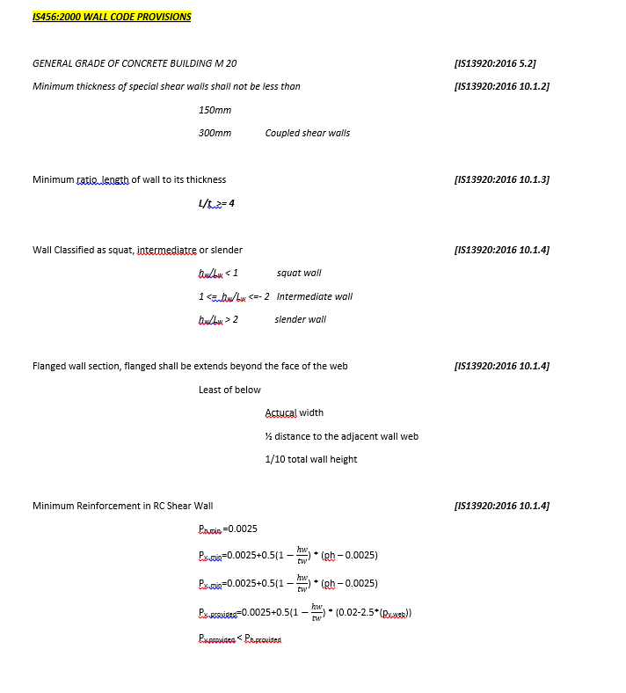
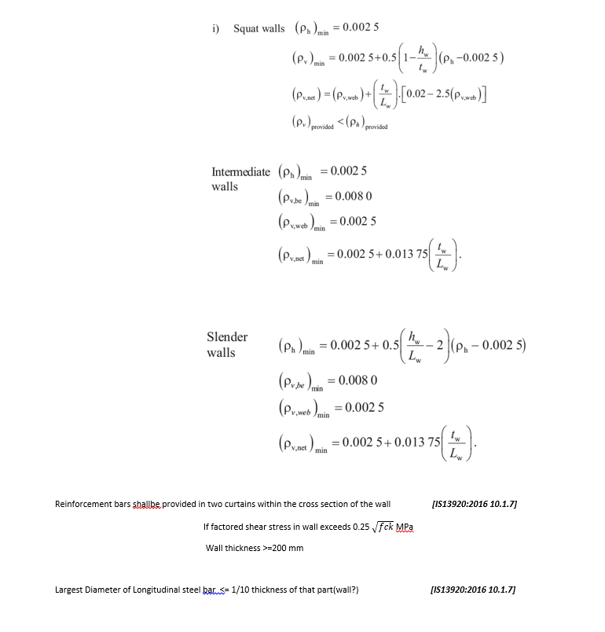
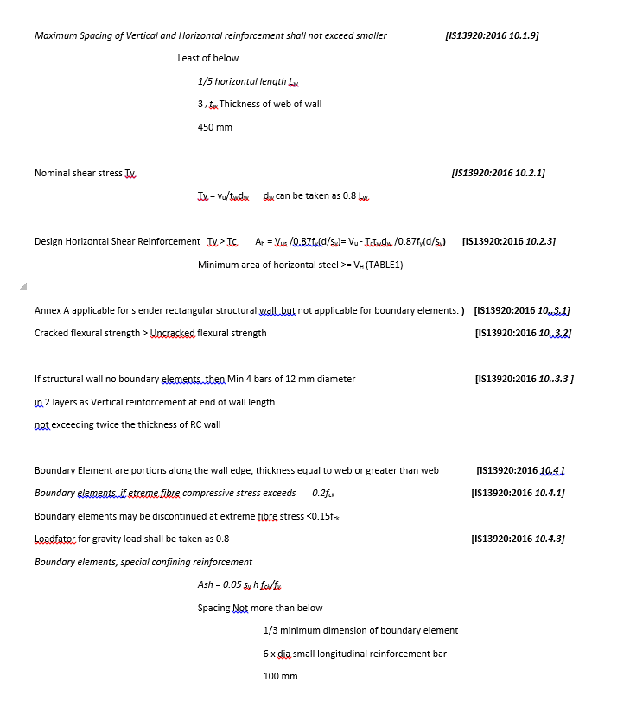
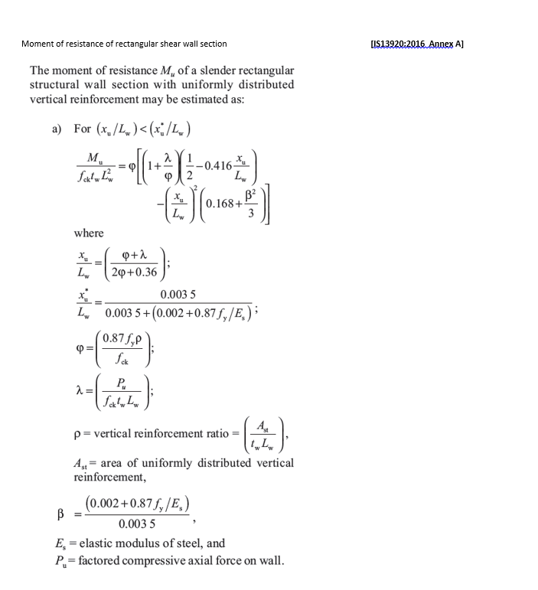
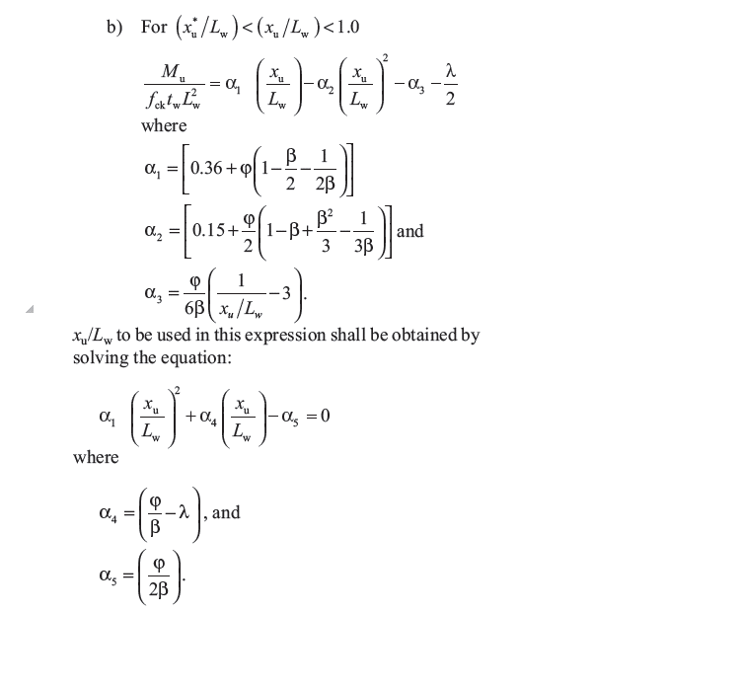
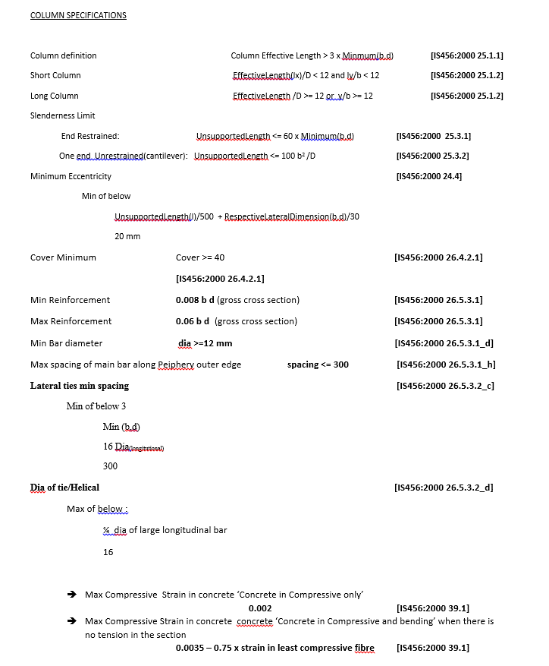
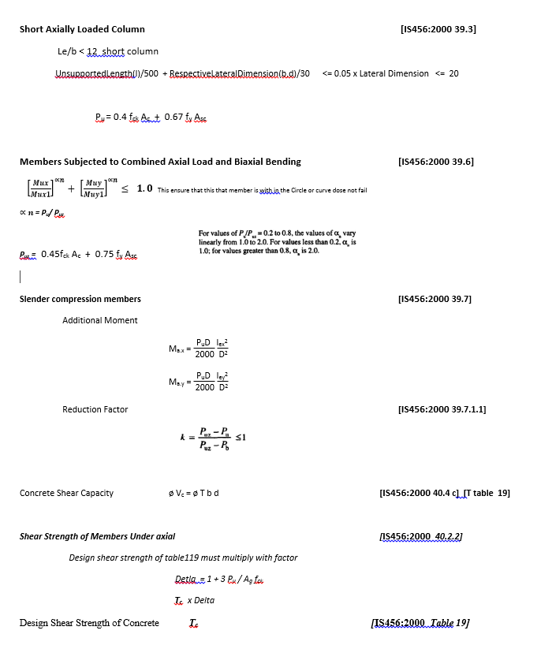
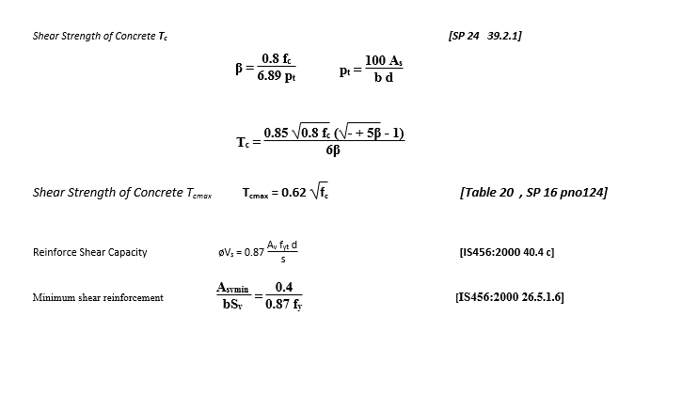
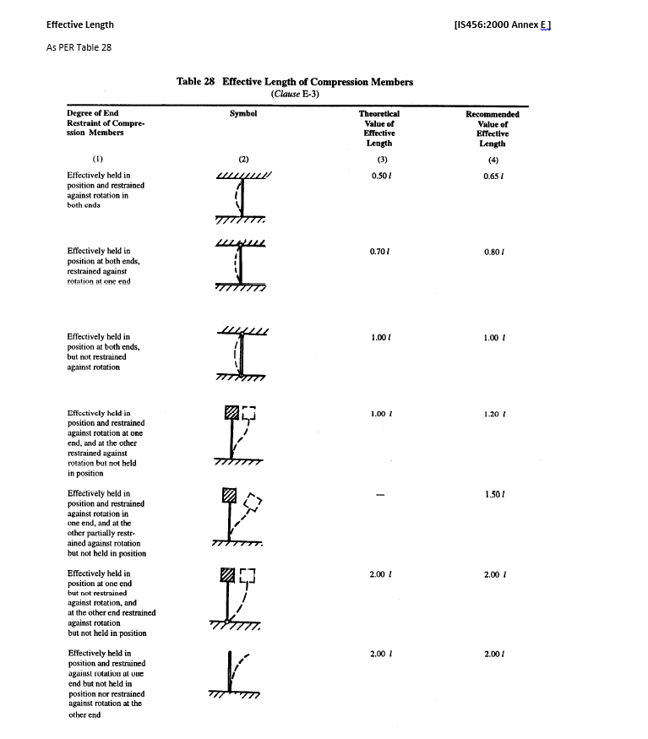
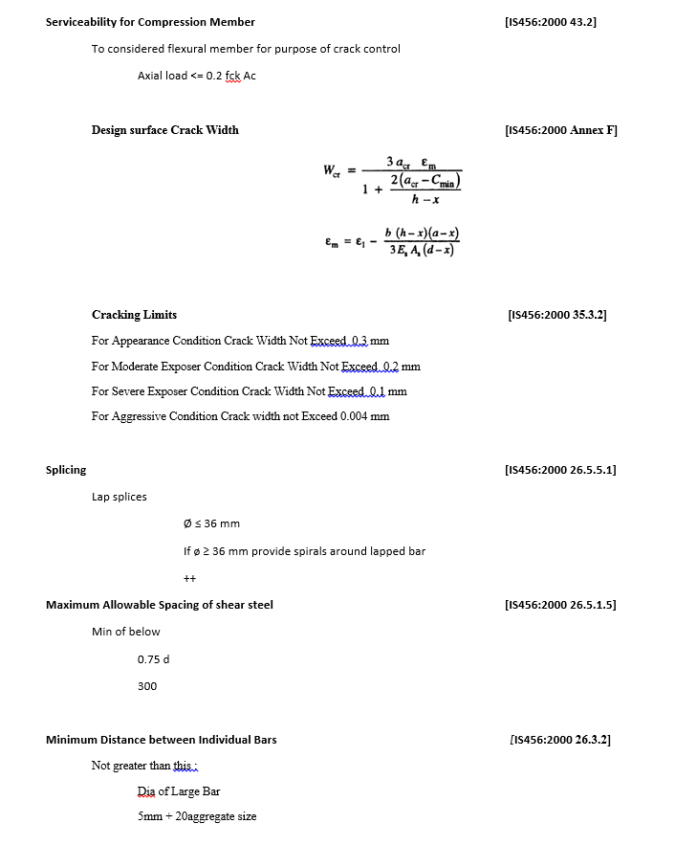
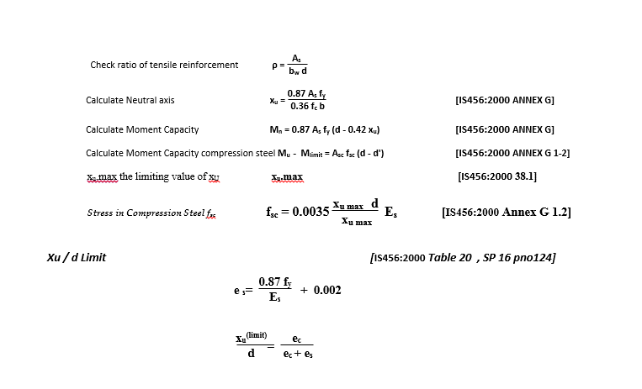
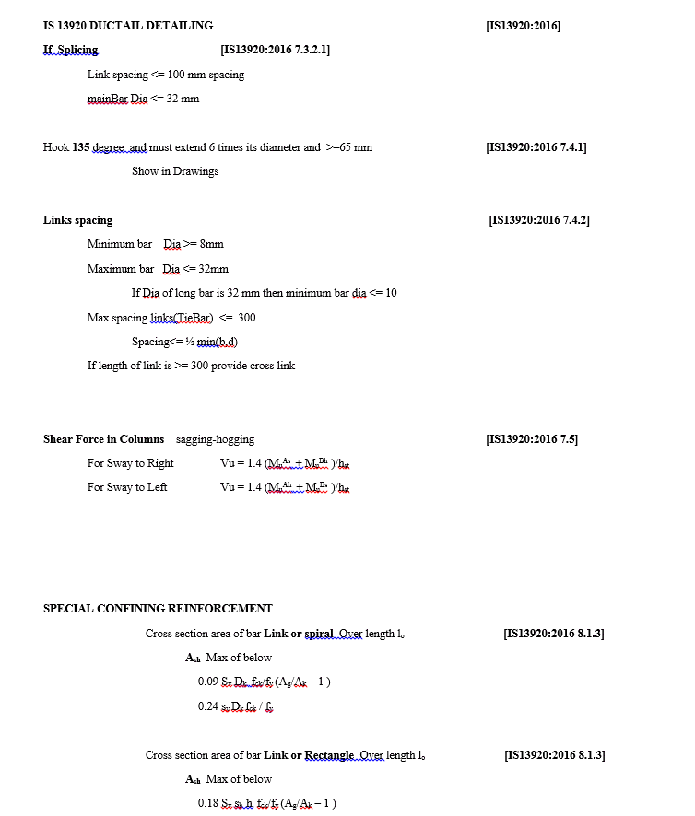
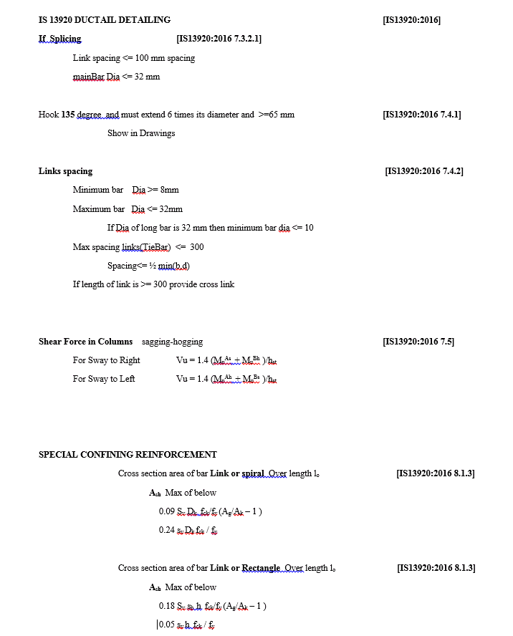
CODE PROVISION

IS456:2000 CODE PROVISIONS
SP 16
SP 24
IS13920:2016

FLOWCHART4
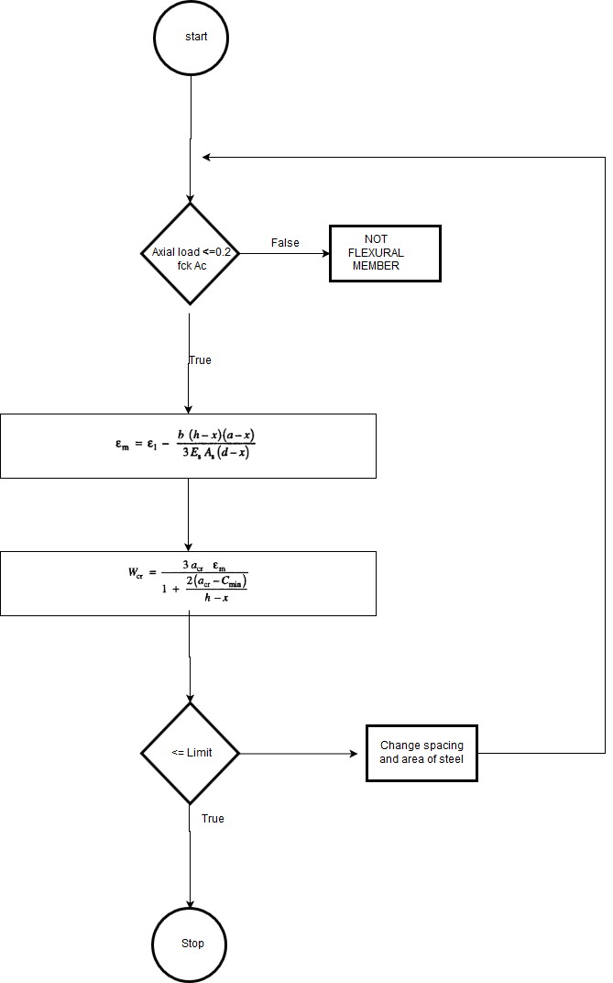
Flow Chart

FLOW CHARTS STEPS

Axial and Moment Check
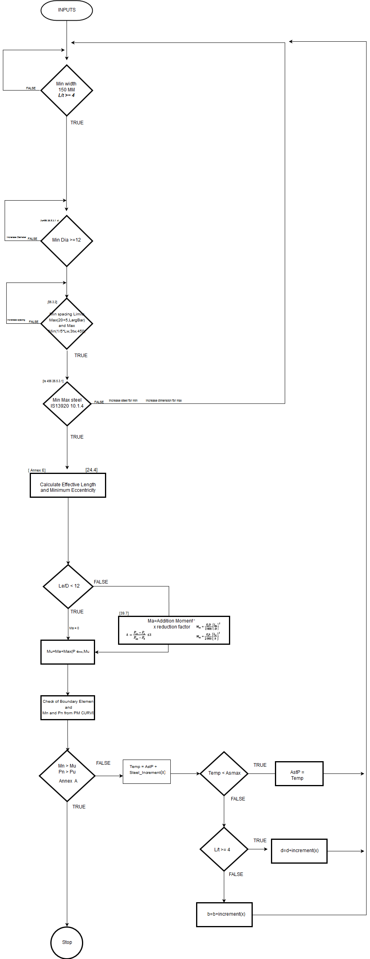

Shear check
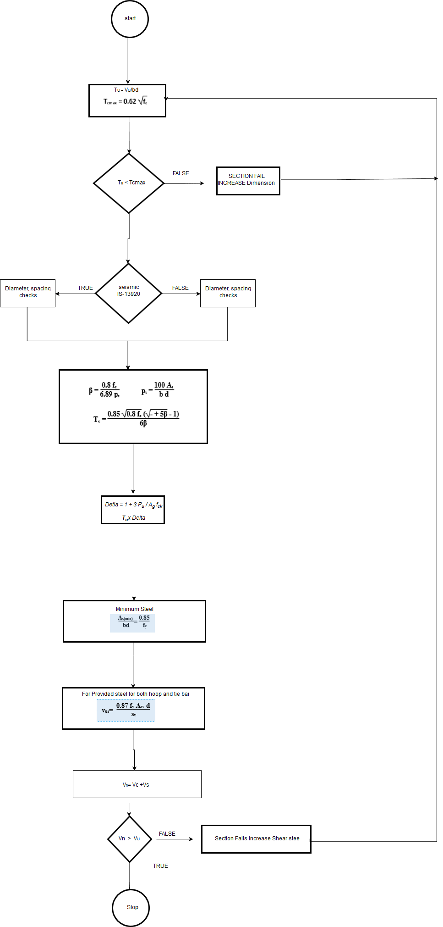

Serviceability

DESIGN_PROCEDURE
 |  |  |  |  | Required Changes in Report

EXCEL REPORT
INPUTS | mm and N
Length = | 4160 | mm | cc = | 60 | mm | PU = | 2640000 | N | x
Thickness = | 250 | mm |  |  |  | Mux = | 6480000000 | N mm
fck = | 25 | N/mm2 |  |  |  | Muy = | 90000000 | N mm | y
fst = | 415 | N/mm2 |  |  |  | Vu | 846000 | N

Lx = | 3500 | mm
Ly = | 3500 | mm

CAPACITY OF COLUMN |  |  |  |  |  |  |  |  | REFERENCES
PU = | 2640000 | N
Mux = | 6480000000 | N mm
Muy = | 90000000 | N mm

Effective Length |  | pinned both sides
lex = | 3500 | mm
ley = | 3500 | mm

ey = | 2454.5454545 | mm |  |  |  |  |  |  | [IS456:2000 25.4]
ex = | 34.090909091 | mm

eminx = | 15.333333333 | mm
eminy = | 145.66666667 | mm

Ley/D = | 14
Lex/D = | 0.84134615385

Check Boudary elemetns are Required

I = | 1.4998186667E+12 | mm^4
A = | 1040000 | mm^2
y = | 2080 | mm
Stress fc = | 11.525147929 | N/mm^2 |  | -6.4482248521 | N/mm^2

Stess Limit = | 5 | N/mm^2
As Stress are high than limits Boundary element needed

Steel Required
Hw/Lw = | 0.84134615385 |  |  |  |  |  |  |  | [IS13920:2016 25.4]

Ash,min = | 625 | mm^2 | Per Unit Length
Asv,min = | 625 | mm^2 | Per Unit Length

Shear

tu= | 0.81346153846 | N/mm^2
tc= | 0.36 | N/mm^2 |  |  |  |  |  |  | [IS456:2000 Table 19]
Vs = | 471600 | kN
Tc Max = | 3.1 | N/mm2 |  |  |  |  |  |  | [IS456:2000 Table 20]
Requre steel
As/s = | 0.31398804768

Min provided Asv/sv = |  | 0.625

Flexual strength |  |  |  |  |  |  |  |  | [IS13920:2016 ANNEX A]
pw= | 1107000 | N | fck = | 20 |  | t = | 250
 |  |  | fy = | 415 |  | L= | 3400

$$∅=$$
λ = | 0.065117647059
 | 0.04513125
β = | 0.516
X/L = | 0.2448547171
 |  |  |  |  |  |  |  |  | [IS13920:2016 ANNEX A]
Mu/(fck t L^2) = |  | 0.043786564279

Mu= | 2530863415.3 | kNm

Shear Reinforcement |  |  |  |  |  |  |  |  | REFERENCES
vu = |  | 846000 | N | b = | 4160 | mm | d = | 250 | mm
tu = |  | 0.81346153846 | N/mm2 |  |  |  |  |  | [IS456:2000 40.2.2]
As P = |  | 3217 | mm2
Delta = |  | 1.3046153846
Tc = |  | 1.0306461538 | N/mm2 |  |  |  |  |  | [IS456:2000 Table 19]
Tc Max = |  | 3.1 | N/mm2 |  |  |  |  |  | [IS456:2000 Table 20]
Provide Nominal
Asv/sv = |  | 2.5023902507 | mm2

min Asv_sv

min Asv_sv = |  | 4.6087799474 | mm2

shear capasity Section
Asv p = | 450 | mm2
S p = | 150 | mm
Ts = | 270787.5
Tc = | 1071872 |  |  |  |  |  |  |  | [IS456:2000 Table 19]

Vn = | 1342659.5 | N

Cracking width |  |  |  |  |  |  |  |  | REFERENCES
Pu = |  | 16000 |  |  |  |  |  |  | [IS456:2000 43.2] | [412]
flexural consideration |  | 5200000
Check for flexural member |  |  | TRUE
D = | 400 | x = | 146.14 | mm
d = | 348 | mm
Ast = | 1814 | mm2
acr = | 59.54 | mm
b = | 250 | mm
Es = | 200000 | N/mm2
fst = | 224 | N/mm2
Cmin = | 38
 |  |  |  |  |  |  |  |  | [IS456:2000 Annex F]
em = | 0.0013351854307 |  |  |  |  |  |  |  | [IS456:2000 Annex F]
wcr = | 0.20389061756 | mm
Cracking Width = |  | 0.20389061756 | mm

Sheet3
 |  |  |  |  | Required Changes in Report

EXCEL REPORT
INPUTS | mm and N
Length = | 4160 | mm | cc = | 60 | mm | PU = | 2640000 | N | x
Thickness = | 250 | mm |  |  |  | Mux = | 6480000000 | N mm
fck = | 25 | N/mm2 |  |  |  | Muy = | 90000000 | N mm | y
fst = | 415 | N/mm2 |  |  |  | Vu | 846000 | N

Lx = | 3500 | mm
Ly = | 3500 | mm

CAPACITY OF COLUMN |  |  |  |  |  |  |  |  | REFERENCES
PU = | 2640000 | N
Mux = | 6480000000 | N mm
Muy = | 90000000 | N mm

Effective Length |  | pinned both sides
lex = | 3500 | mm
ley = | 3500 | mm

ey = | 2454.5454545 | mm |  |  |  |  |  |  | [IS456:2000 25.4]
ex = | 34.090909091 | mm

eminx = | 15.333333333 | mm
eminy = | 145.66666667 | mm

Ley/D = | 14
Lex/D = | 0.84134615385

Check Boudary elemetns are Required

I = | 1.4998186667E+12 | mm^4
A = | 1040000 | mm^2
y = | 2080 | mm
Stress fc = | 11.525147929 | N/mm^2 |  | -6.4482248521 | N/mm^2

Stess Limit = | 5 | N/mm^2
As Stress are high than limits Boundary element needed

Steel Required
Hw/Lw = | 0.84134615385 |  |  |  |  |  |  |  | [IS13920:2016 25.4]

Ash,min = | 625 | mm^2 | Per Unit Length
Asv,min = | 625 | mm^2 | Per Unit Length

Shear

tu= | 0.81346153846 | N/mm^2
tc= | 0.36 | N/mm^2 |  |  |  |  |  |  | [IS456:2000 Table 19]
Vs = | 471600 | kN
Tc Max = | 3.1 | N/mm2 |  |  |  |  |  |  | [IS456:2000 Table 20]
Requre steel
As/s = | 0.31398804768

Min provided Asv/sv = |  | 0.625

Flexual strength |  |  |  |  |  |  |  |  | [IS13920:2016 ANNEX A]
pw= | 1107000 | N | fck = | 20 |  | t = | 250
 |  |  | fy = | 415 |  | L= | 3400

$$∅=$$
λ = | 0.065117647059
 | 0.04513125
β = | 0.516
X/L = | 0.2448547171
 |  |  |  |  |  |  |  |  | [IS13920:2016 ANNEX A]
Mu/(fck t L^2) = |  | 0.043786564279

Mu= | 2530863415.3 | kNm

Shear Reinforcement |  |  |  |  |  |  |  |  | REFERENCES
vu = |  | 846000 | N | b = | 4160 | mm | d = | 250 | mm
tu = |  | 0.81346153846 | N/mm2 |  |  |  |  |  | [IS456:2000 40.2.2]
As P = |  | 3217 | mm2
Delta = |  | 1.3046153846
Tc = |  | 1.0306461538 | N/mm2 |  |  |  |  |  | [IS456:2000 Table 19]
Tc Max = |  | 3.1 | N/mm2 |  |  |  |  |  | [IS456:2000 Table 20]
Provide Nominal
Asv/sv = |  | 2.5023902507 | mm2

min Asv_sv

min Asv_sv = |  | 4.6087799474 | mm2

shear capasity Section
Asv p = | 450 | mm2
S p = | 150 | mm
Ts = | 270787.5
Tc = | 1071872 |  |  |  |  |  |  |  | [IS456:2000 Table 19]

Vn = | 1342659.5 | N

Cracking width |  |  |  |  |  |  |  |  | REFERENCES
Pu = |  | 16000 |  |  |  |  |  |  | [IS456:2000 43.2] | [412]
flexural consideration |  | 5200000
Check for flexural member |  |  | TRUE
D = | 400 | x = | 146.14 | mm
d = | 348 | mm
Ast = | 1814 | mm2
acr = | 59.54 | mm
b = | 250 | mm
Es = | 200000 | N/mm2
fst = | 224 | N/mm2
Cmin = | 38
 |  |  |  |  |  |  |  |  | [IS456:2000 Annex F]
em = | 0.0013351854307 |  |  |  |  |  |  |  | [IS456:2000 Annex F]
wcr = | 0.20389061756 | mm
Cracking Width = |  | 0.20389061756 | mm

Report3
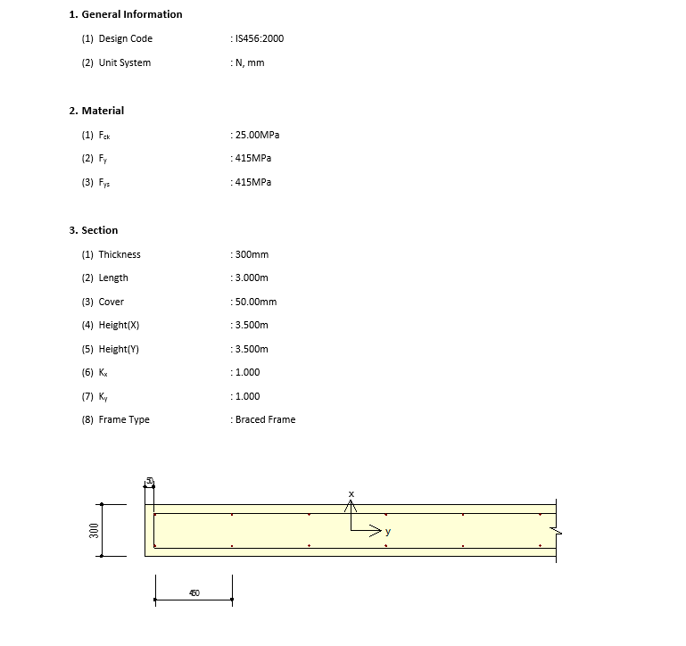
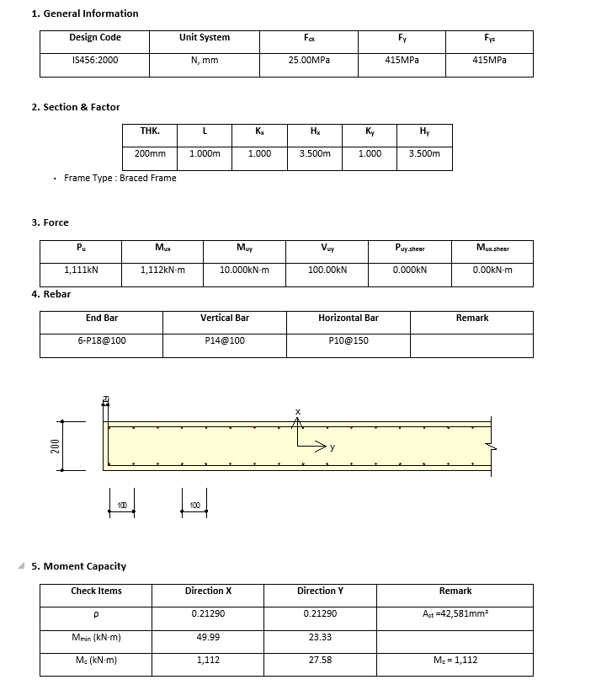
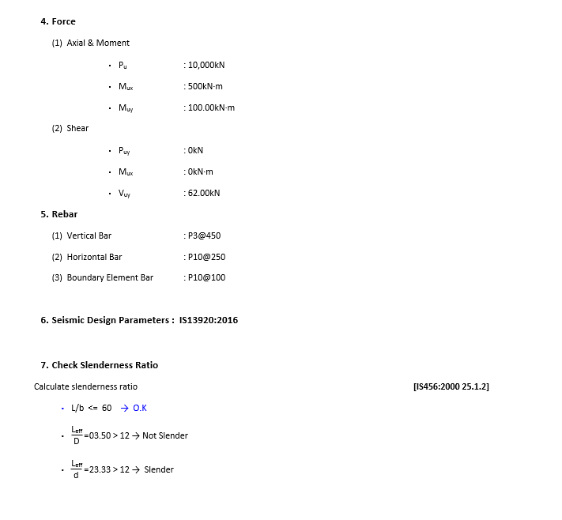
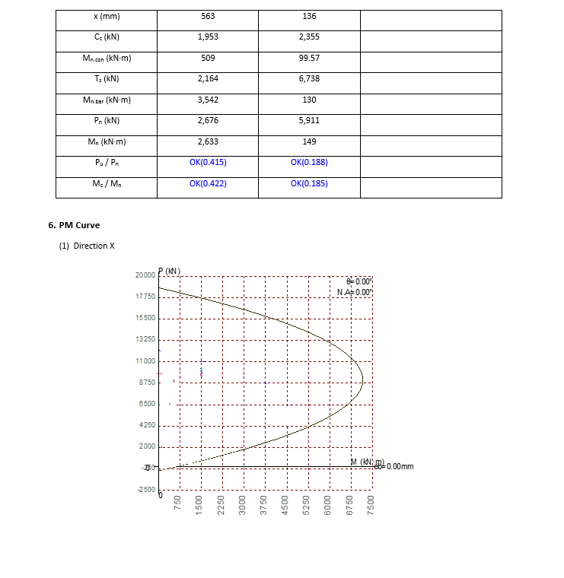
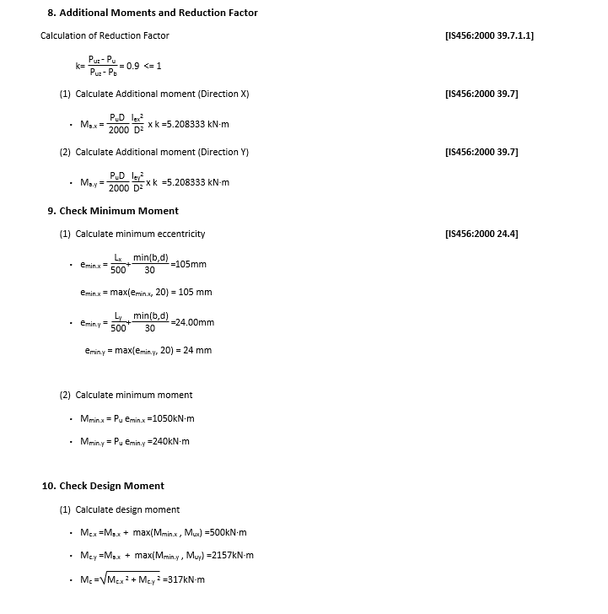
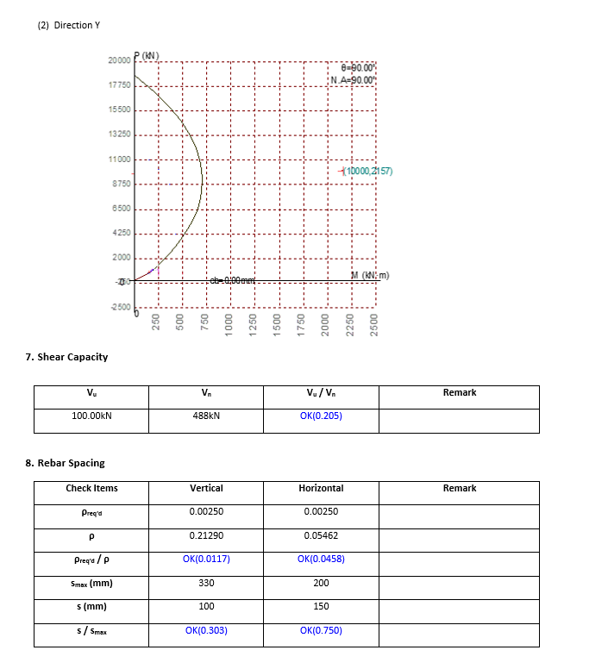
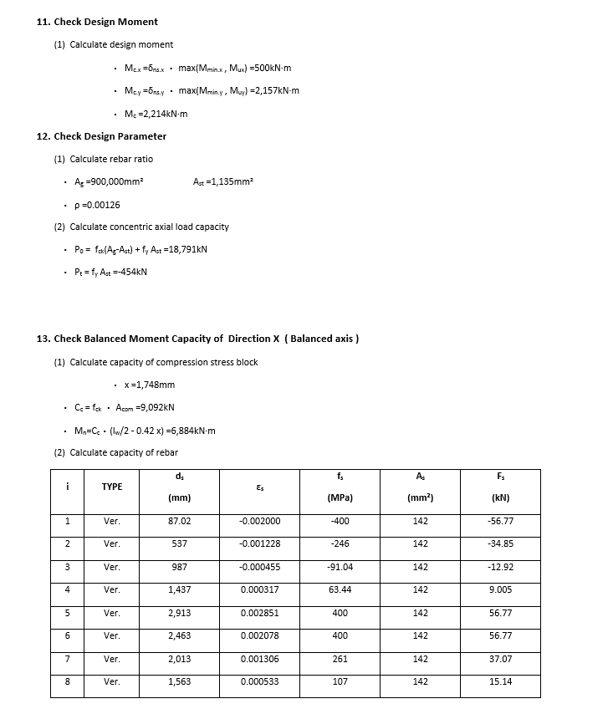
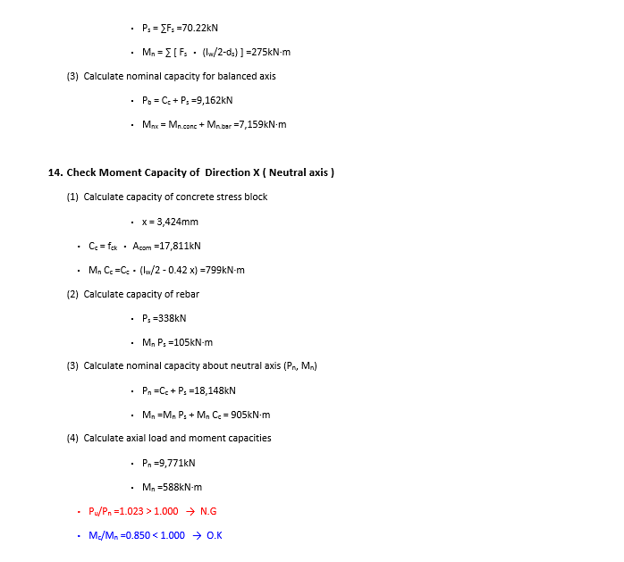
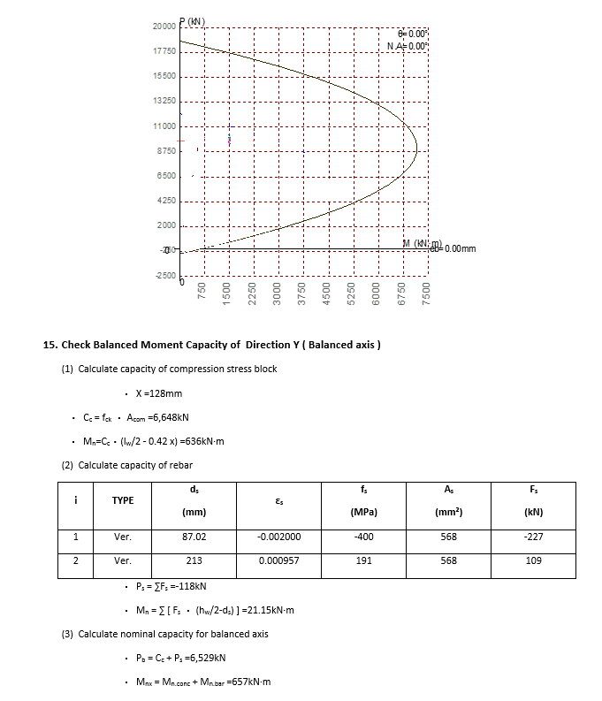
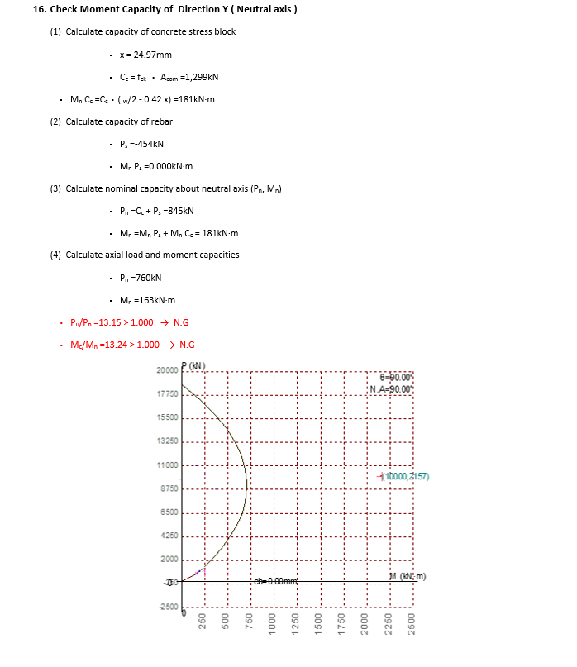
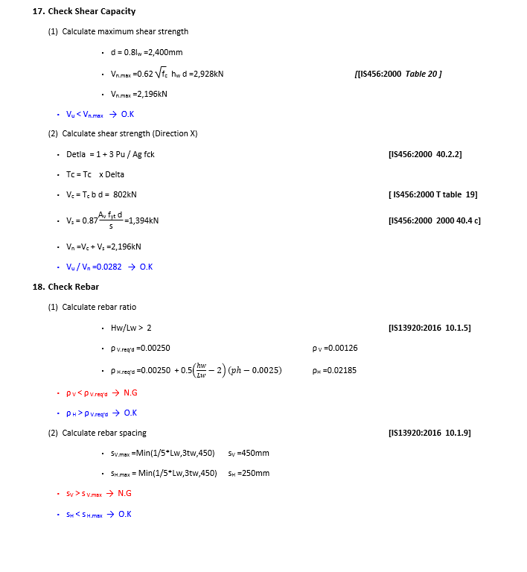
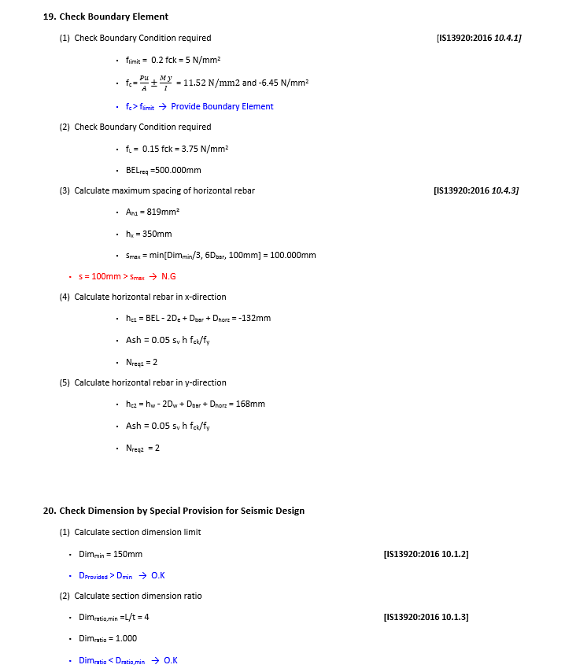
 | REPORT

Detail Report |  | Summary Report

